12. Heaps
The unfair way I got good at Leetcode - YouTube | Heap
 | EASY |  |  |  |  |  |  |  | Easy and Medium Lists:
 |  | Question | Understood? | VS | Question | Solved? | Revised? | Add concise comments to the following code with this structure:
 | 1 | K’th Smallest Element - GeeksforGeeks |  |  | Kth Largest Element in an Array - GeeksforGeeks |  |  |  | For each difficulty level (easy/medium), create two lists:
 | 2 | Top K Frequent Elements - LeetCode |  |  | K Closest Points to Origin - LeetCode |  |  | 1. At the TOP:
 | 3 | Top K Frequent Words - LeetCode |  |  |  |  |  | - Bullet-point comments explaining the core logic/approach - Intuition: brief explanation of how to think about the approach / how one would arrive at it | One for learning the solutions (you don't try to solve the problems yourself at first, just study the solutions).
 | 4
 | 5 |  |  |  |  |  |  | 2. INLINE: | One for solving problems on your own after you’ve learned the key patterns and techniques.
 |  |  |  |  |  |  |  | - Short, clear comments only where needed (interview-friendly)
 |  |  |  |  |  |  |  |  | The Goal:
 |  |  |  |  |  |  |  | 3. At the BOTTOM:
 | MEDIUM | Question | Understood? | VS | Question | Solved? | Revised? | - Time Complexity with brief reason | Learning Phase: Focus on understanding the core patterns and problem-solving techniques (whether it's through the solution itself, code walkthroughs, or other resources).
 | 6 | Reorganize String - LeetCode |  |  | https://leetcode.com/problems/ipo/description/ |  |  | - Space Complexity with brief reason
 | 7 | Merge k Sorted Lists - LeetCode |  |  | Find Median from Data Stream - LeetCode |  |  |  | Solving Phase: Practice solving problems on your own, now that you’ve internalized the patterns and can recognize which approach to use in each scenario.
 | 8 |  |  |  |  |  |  | Keep comments minimal, clean, and easy to explain in an interview.
 | 9 |  |  |  |  |  |  | Do NOT change the code logic.
 | 10
 |  |  |  |  |  |  |  | Code: | Prompt:
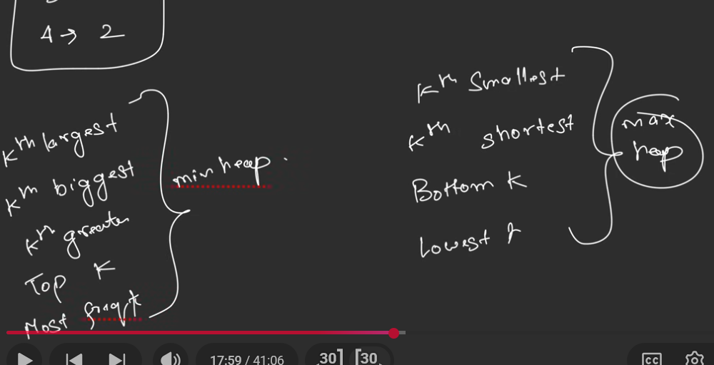
 |  |  |  |  |  |  |  | <PASTE YOUR CODE HERE>
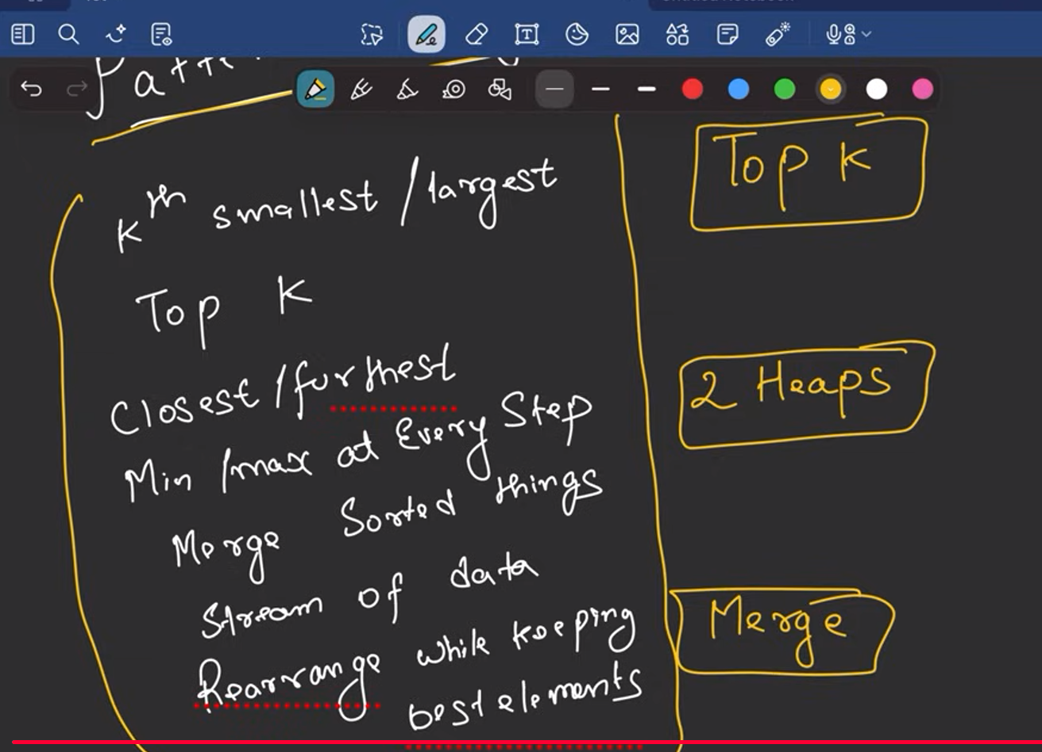
 |  |  |  |  |  |  |  |  | I’m preparing for coding interviews and want to practice using a structured approach. For the [TOPIC / PATTERN] category (e.g., Two Pointers, Binary Trees, Backtracking), excluding [EXCLUDED SUB-PATTERNS] if any, create four LeetCode problem lists:

 |  |  |  |  |  |  |  |  | Easy – Learning list (problems where I should go straight to the solution to learn common patterns),

 |  |  |  |  |  |  |  |  | Easy – Solving list (problems to solve independently after learning),

 |  |  |  |  |  |  |  |  | Medium – Learning list, and

 |  |  |  |  |  |  |  |  | Medium – Solving list.
 |  |  |  |  |  |  |  |  | Choose high-frequency, interview-relevant problems that build intuition and pattern recognition rather than obscure tricks. Prefer classic problems that are commonly reused or slightly modified in interviews. Keep the lists concise and well-balanced, and avoid including problems that primarily belong to other patterns.

